Sheet1
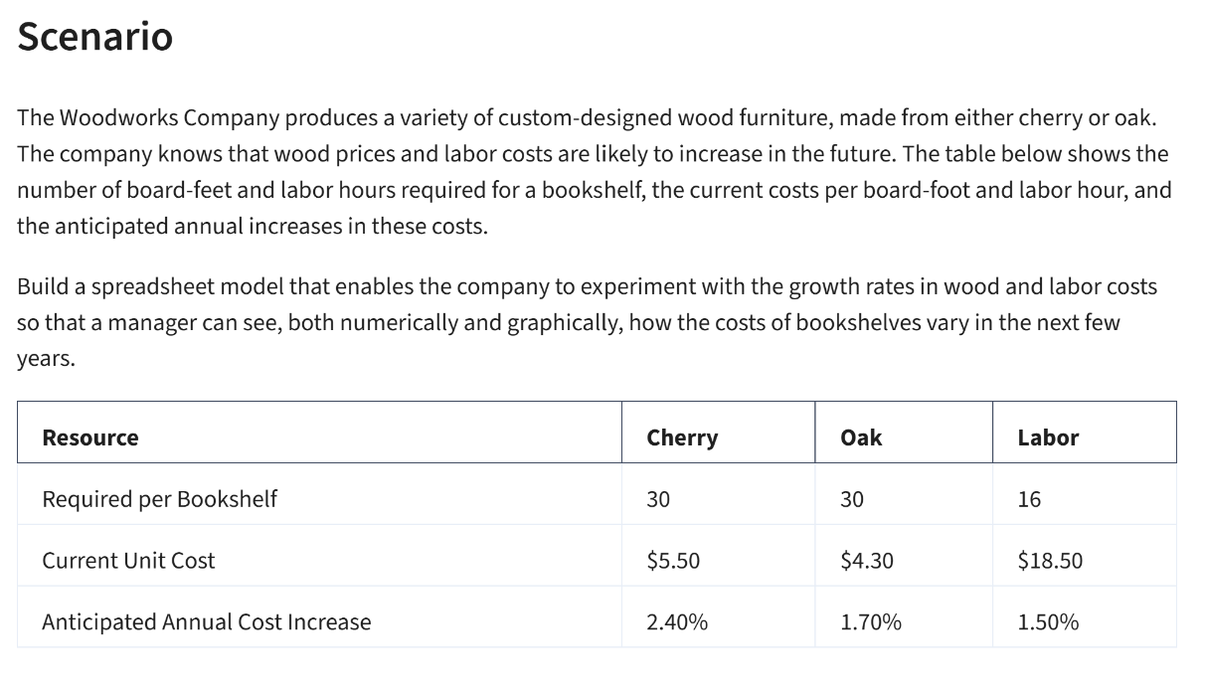
The Woodworks

Material Costs | Cherry | Oak
Bookshelf | 30 | 30.00
Cost per feet | $5.50 | $4.30
Total Material Cost | $165.00 | $129.00

Labour Req | 16 | 16
Cost per hour | $18.50 | $18.50
Total Labour Cost | $296.00 | $296.00

Total Cost | $461.00 | $425.00

Increament | 10.4% | 2.0% | 70.0%

Woodworks Annual Increament
Year | Cherry | Oak | Labour | Total Oak | Total Cherry
0 | $165.00 | $129.00 | $296.00 | $425.00 | $461.00
1 | $182.16 | $131.58 | $503.20 | $634.78 | $685.36
2 | $201.10 | $134.21 | $855.44 | $989.65 | $1,056.54
3 | $222.02 | $136.90 | $1,454.25 | $1,591.14 | $1,676.27
4 | $245.11 | $139.63 | $2,472.22 | $2,611.86 | $2,717.33
5 | $270.60 | $142.43 | $4,202.78 | $4,345.20 | $4,473.38

